Introduction
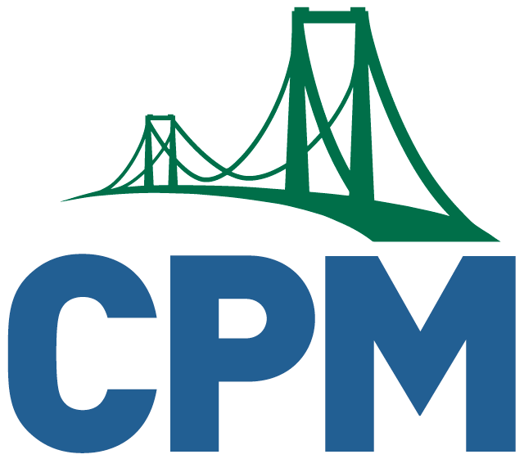
 | This spreadsheet is being developed by CPM teachers in a united effort to help each other teach in the circumstances surrounding the 2020-21 school year.
 | Use File-Copy to make a copy of this so you can customize it for your own class. Check back here for updates!
 | The focus of this document is how to deliver the curriculum remotely while maintaining our core philosophy of collaborative, problem-based, mixed, spaced practiced learning.
 | Use this guidance along with the resources in the Teacher Tab of the Supplemental Resources eBook and the Teaching CPM Remotely module.

 | Collaborators:
 | Terri K. | Teaches CCA, CCG and Stats in Wisconsin
 | Gail A. | Taught AC, CCG, Stats & Calc in Pennsylvania | The most frequently asked question CPM gets about these spreadsheets is:
 | Jenni W. | Taught CCA, CCG, CCA2, Int 2, Int 3, Stats in Wyoming | Will you be doing this for the rest of the book? Click here to read CPM's response and advice.
 | Brianna R. | Taught Int 1 and Calculus in California
 | Rob L. | Teaches CCA, CCG, and PC3 in Wisconsin
 | Astrida L. | Taught AC, CCG, CCA2, PC3 and Stats in Pennsylvania
Tips from the authors:

💡Use the Review & Preview Problems to fit your students' needs. You won't be able to cover as much virtually as you did in person! Assign the R & P strategically to build skills throughout the year.
💡Here is a handy collection of links to CPM & Desmos eTools and Stats resources
💡In a Desmos Activity, make sure that students can “see other responses” when they go through the activities
💡Add screens at the start of your Desmos activities to assess student emotions, thoughts, and homework help needs. Be sure to add reflection screens at the end of each lesson.
💡Virtual Study Team Teaching Strategies are explained in the Supplemental Resources eBook in the Teacher tab.
💡Don't skip too much in these early chapters. This is where you will pick up some missing pieces from last year as you enter new material at the same time ("just-in-time"!). There will be more in later chapters that can be left out if needed.
💡AP teachers: Don't forget about the practice problems availabe in your Collegeboard AP Classroom account!

We hope the tips and models in here will help you create your own materials for use with your class this year.
Be sure to check out the Lesson Sharing Tabs in the eBooks to see what other teachers have shared, and use that space to share your creations as well!

